EWSS-A-01
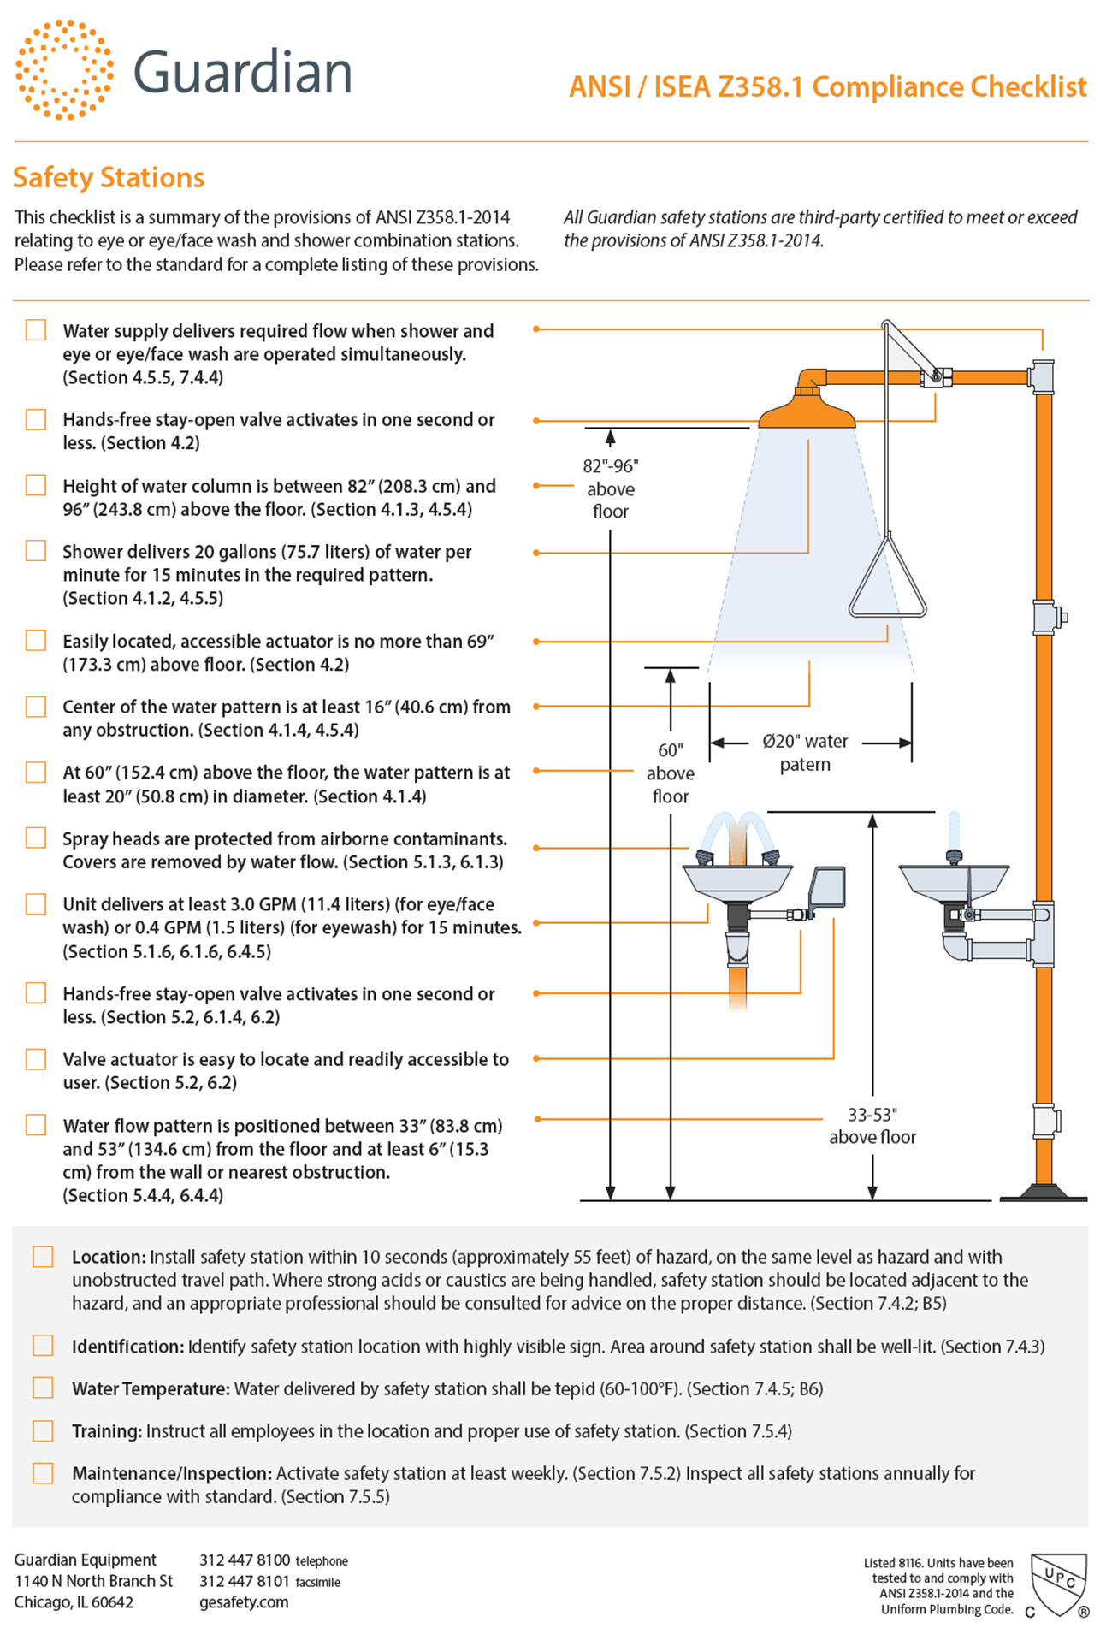
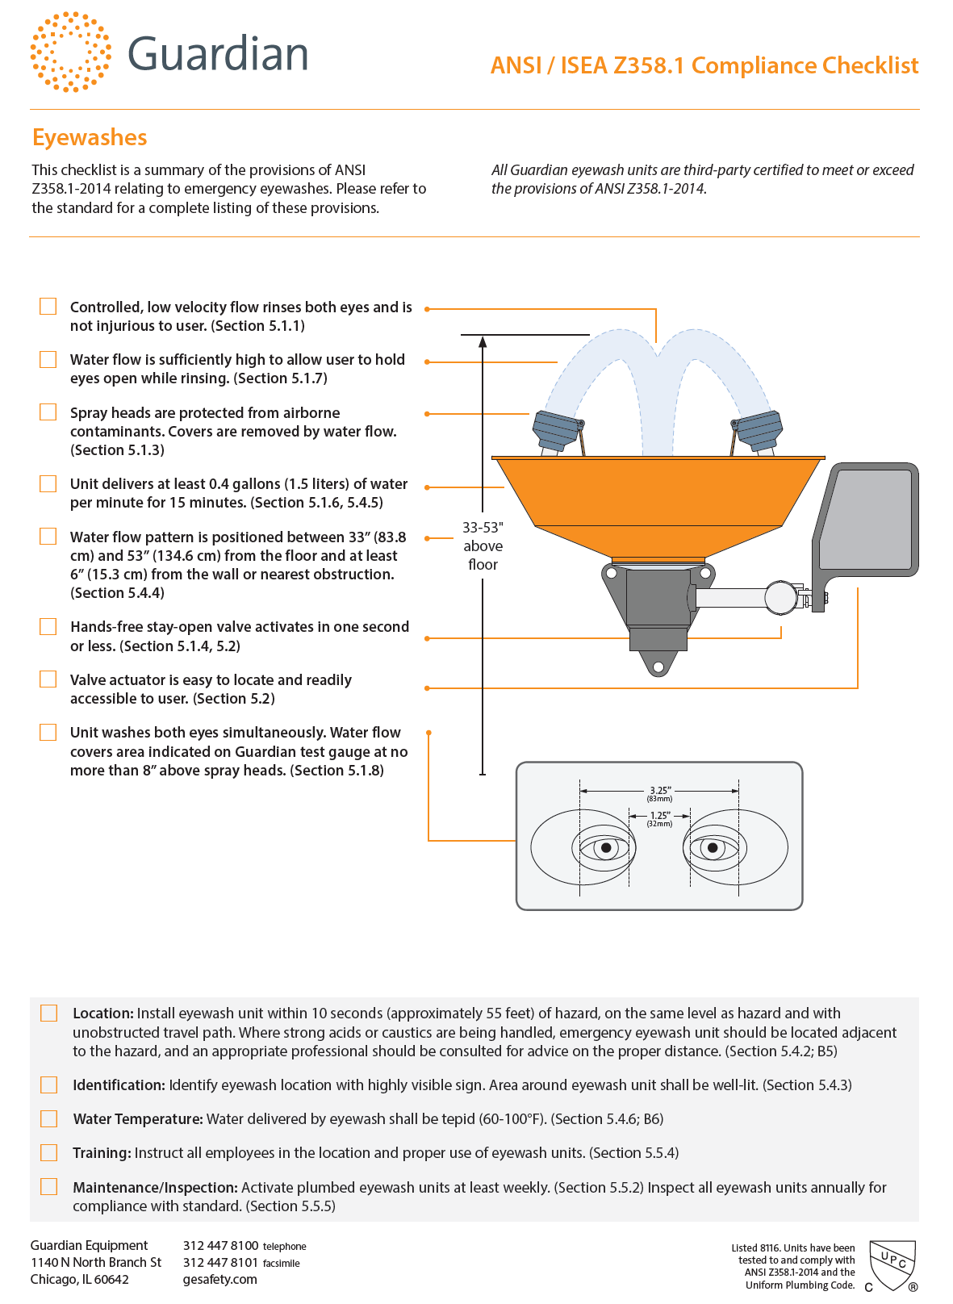
EWSS-A-01 | ANNUAL EMERGENCY EYEWASH STATION & SHOWER INSPECTION

Sequence | Description | Type
10 | Pre Job Hazard Assessment completed? | Question (Yes/No)
20 | As per Code ANSI Z358.1-2014 Emergency Eyewash & Shower Equipment fo inspection | Checklist Item
30 | For Eye Wash Stations: | Checklist Item
40 | The eyewash safety station delivers at least 0.4 gallons (1.5L per minute) of water per minute for 15 minutes (Sections 5.1.6, 5.4.5). | Checklist Item | W
50 | Water delivered by eyewash shall be tepid (60-100°F or 15.6 to 37.8 Deg.C). (Section 5.4.6; B6) | Checklist Item | W
60 | Verify the eye wash fixtures and accessories is functional | Checklist Item | W
70 | Identification: The area around the eyewash station must be well-lit and the unit must include a highly visible sign (Section 5.4.3). | Checklist Item
80 | The safety station washes both eyes simultaneously and the water flow allows the user to hold the eyes open without exceeding 8” above the spray heads (Section 5.1.8). | Checklist Item
90 | Spray heads are protected from airborne contaminants. Covers are removed by the water flow (Section 5.1.3). | Checklist Item | W
100 | Water flow pattern is 33-53” from the floor and at least 6” from a wall or nearest obstruction (Section 5.4.4). | Checklist Item
110 | Hands-free stay-open valve activates in one second or less (Sections 5.1.4, 5.2). | Checklist Item
120 | Controlled, low velocity flow rinses both eyes and is not injurious to user. (Section 5.1.1) | Checklist Item
130 | Water flow is sufficiently high to allow user to hold eyes open while rinsing. (Section 5.1.7) | Checklist Item | W
140 | Valve actuator is easy to locate and readily accessible to user. (Section 5.2) | Checklist Item
150 | Eyewash unit within 10 seconds (approximately 55 feet) of hazard, on the same level as hazard and with unobstructed travel path. | Checklist Item
160 | Where strong acids or caustics are being handled, emergency eyewash unit should be located adjacent to the hazard, | Checklist Item
170 | An appropriate professional should be consulted for advice on the proper distance. (Section 5.4.2; B5) | Checklist Item
180 | Training: Instruct all employees in the location and proper use of eyewash units. (Section 5.5.4) | Checklist Item
190 | For Combination of Emergency Eyewash Station and Shower (If applicable) | Checklist Item
200 | Water supply delivers required flow when shower and eye or eye/face wash are operated simultaneously. (Section 4.5.5, 7.4.4) | Checklist Item | W
210 | Hands-free stay-open valve activates in one second or less. (Section 4.2) | Checklist Item
220 | Height of water column is between 82” (208.3 cm) and 96” (243.8 cm) above the floor. (Section 4.1.3, 4.5.4) | Checklist Item
230 | Shower delivers 20 gallons (75.7 liters) of water per minute for 15 minutes in the required pattern. (Section 4.1.2, 4.5.5) | Checklist Item | W
240 | Water delivered by eyewash shall be tepid (60-100°F or 15.6 to 37.8 Deg.C). (Section 7.4.5; B6) | Checklist Item | W
250 | Verify the eye wash fixtures and accessories is functional | Checklist Item | W
260 | Identify Combination Unit location with highly visible sign. Area around the unit shall be well-lit. (Section 7.4.3) | Covered in 60
270 | Easily located, accessible actuator is no more than 69” (173.3 cm) above floor. (Section 4.2) | Checklist Item
280 | Center of the water pattern is at least 16” (40.6 cm) from any obstruction. (Section 4.1.4, 4.5.4) | Checklist Item
290 | At 60” (152.4 cm) above the floor, the water pattern is at least 20” (50.8 cm) in diameter. (Section 4.1.4) | Checklist Item
300 | Spray heads are protected from airborne contaminants. Covers are removed by water flow. (Section 5.1.3, 6.1.3) | Checklist Item | W
310 | Unit delivers at least 3.0 GPM (11.4 liters) (for eye/face wash) or 0.4 GPM (1.5 liters) (for eyewash) for 15 minutes. (Section 5.1.6, 6.1.6, 6.4.5) | Checklist Item
320 | Hands-free stay-open valve activates in one second or less. (Section 5.2, 6.1.4, 6.2) | Checklist Item
330 | Valve actuator is easy to locate and readily accessible to user. (Section 5.2, 6.2) | Checklist Item
340 | Combination unit within 10 seconds (approximately 55 feet) of hazard, on the same level as hazard and with unobstructed travel path. | Checklist Item
350 | Where strong acids or caustics are being handled, emergency eyewash unit should be located adjacent to the hazard, | Checklist Item
360 | An appropriate professional should be consulted for advice on the proper distance. (Section 7.4.2; B5) | Checklist Item
370 | Training: Instruct all employees in the location and proper use of eyewash units. (Section 7.5.4) | Checklist Item
380 | Findings Reported to Maintennace Supevisor | Question (Yes/No)
390 | Site evaluation to assure continued compliance to ANSI/ISEA Z358.1-2014. (if app) | Checklist Item
Remarks: | Annual PM should be carried out by the vendor or qualified professional trade (e.g. Plumber)

AHU
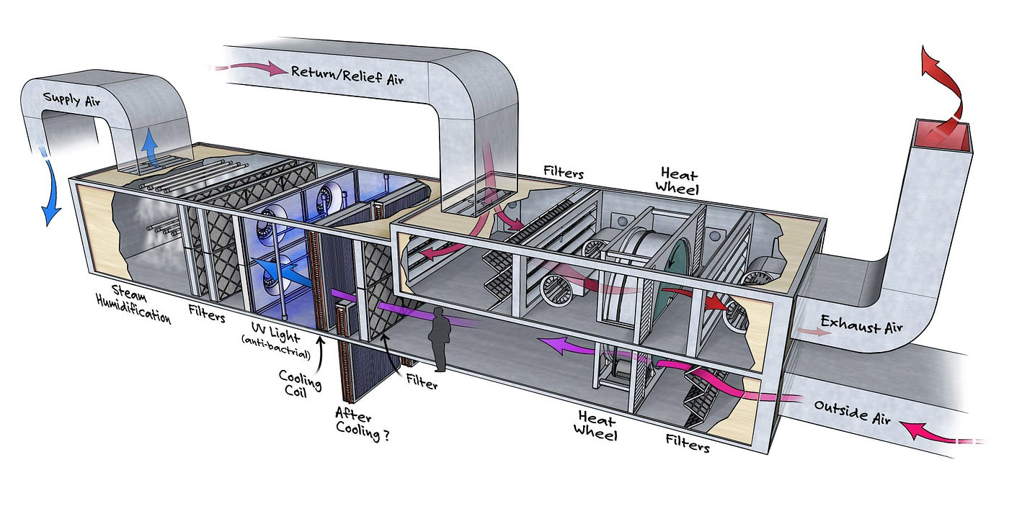

RTU
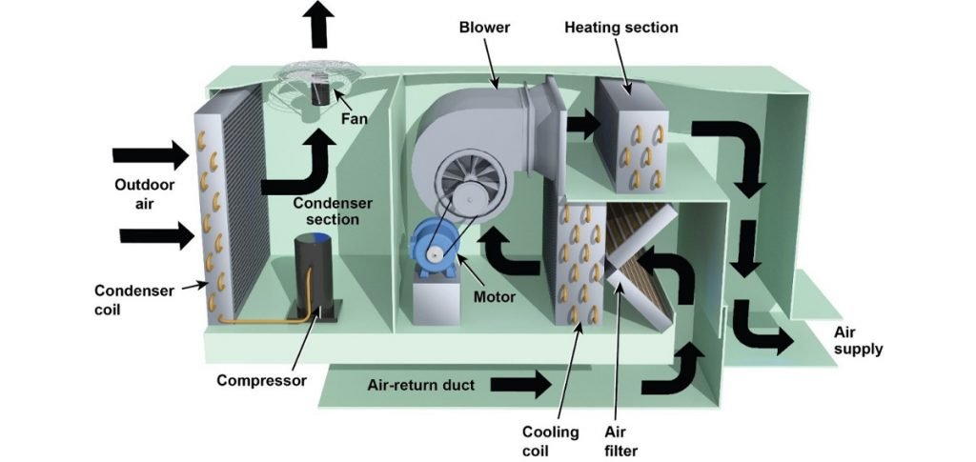

FH Cost
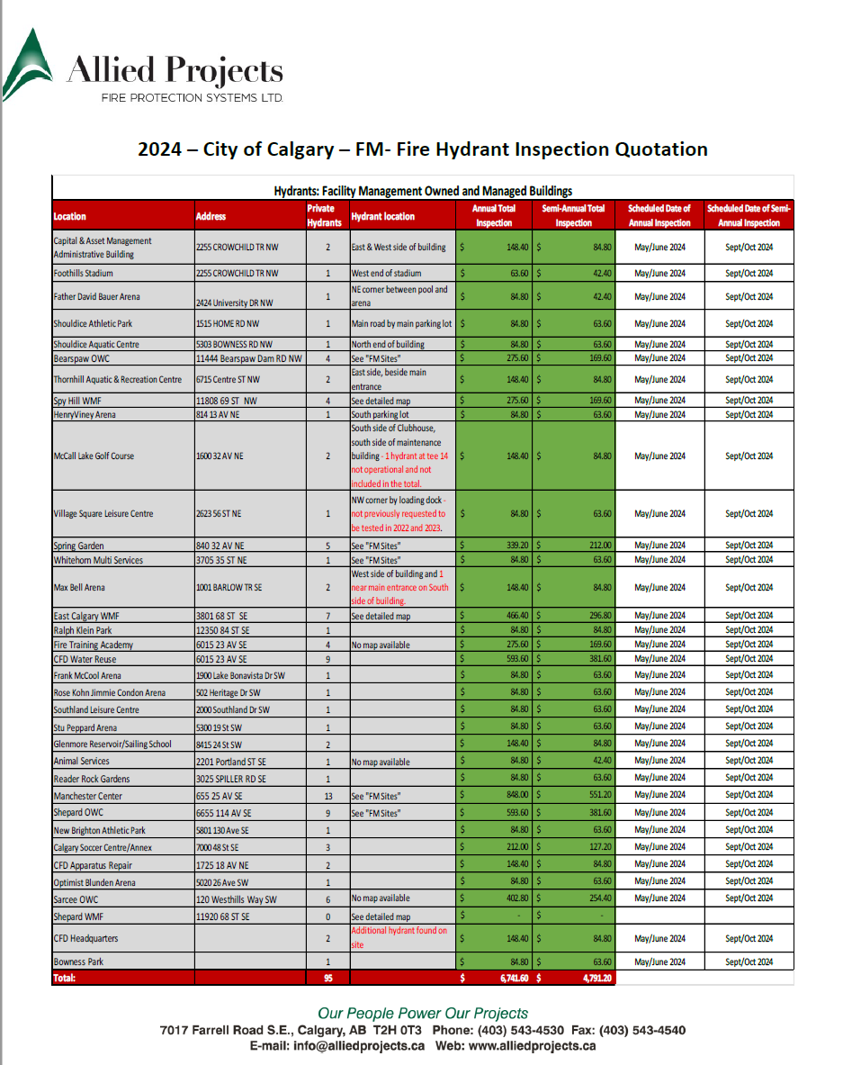

AC Unit
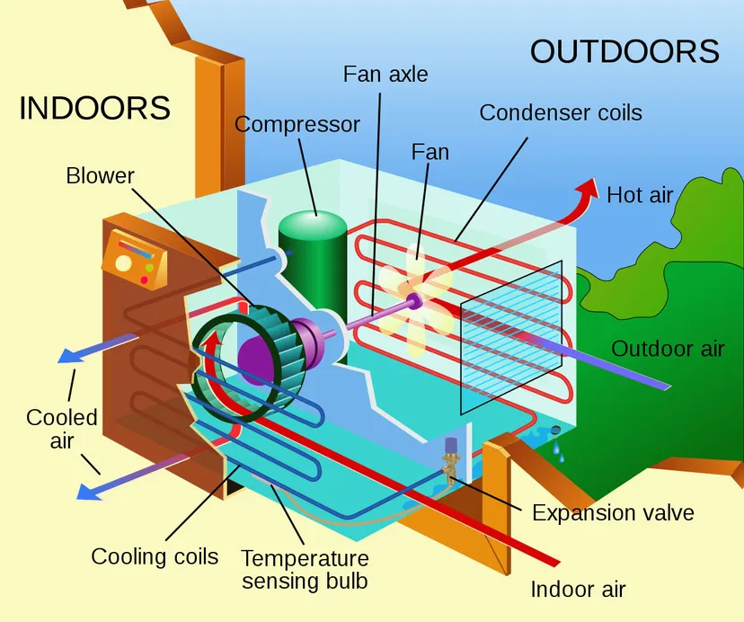

ACCH
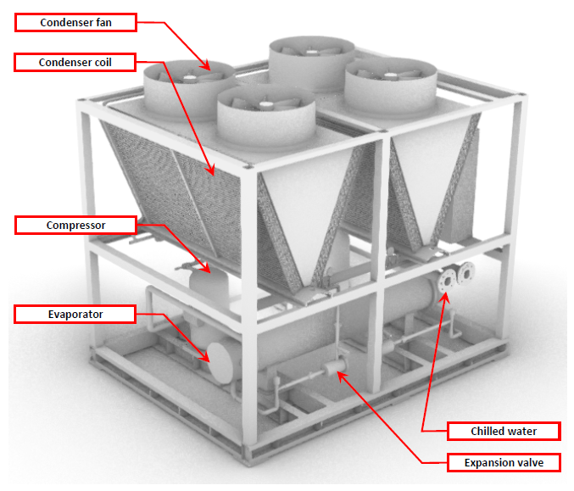

FE Cost
